Floor Capacity Chart
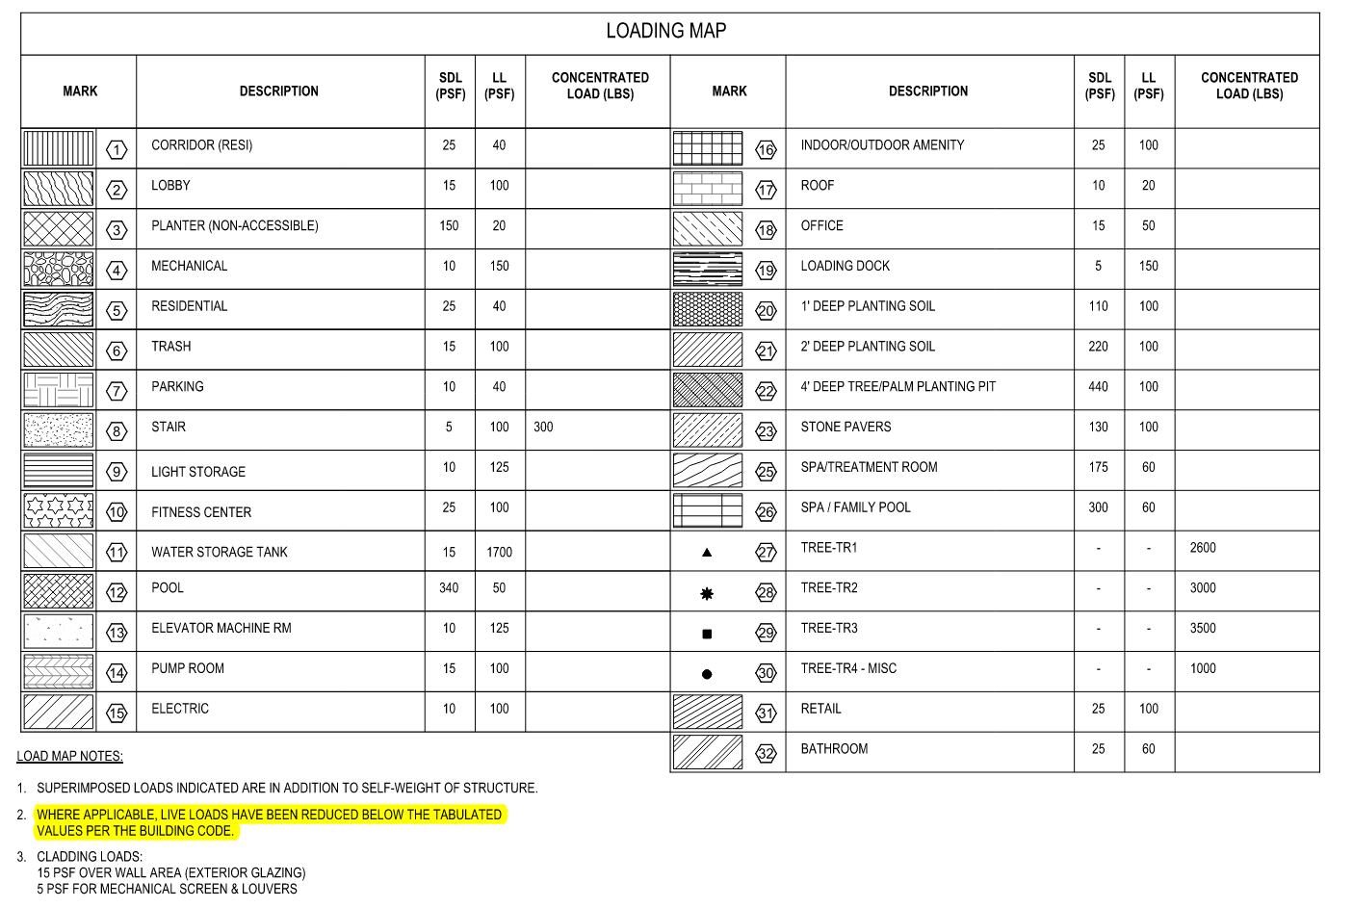
Floor Capacities per Structural Loading Diagrams (S0.05-S0.08)
Designation | SDL (psf) | LL (psf) | TOTAL CAPACITY (psf)*
1* | 25 | 40 | 54
2* | 15 | 100 | 88
3* | 150 | 20 | 164
4 | 10 | 150 | 194
5* | 25 | 40 | 54
6 | 15 | 100 | 138
7 | 10 | 40 | 59
8* | 5 | 100 | 78
9 | 10 | 125 | 163
10 | 25 | 100 | 148
11 | 15 | 1700 | 2107
12 | 340 | 50 | 401
13 | 10 | 125 | 163
14* | 15 | 100 | 88
15* | 10 | 100 | 83
16* | 25 | 100 | 98
17* | 10 | 20 | 24
18* | 15 | 50 | 51
19 | 5 | 150 | 189
20 | 110 | 100 | 233
21 | 220 | 100 | 343
22 | 440 | 100 | 563
23 | 130 | 100 | 253
25 | 175 | 60 | 248
26 | 300 | 60 | 373
31* | 25 | 100 | 98
32* | 25 | 60 | 69
*Indicates Reducible Live Loads
*Total Capacity =(1.6/1.3 x LL) + SDL, 0.6x(1.6/1.3 x LL) + SDL for reducible loads

Machine Room Roof Placement
Tower Slab Overview Machine Room |  |  |  | Tower 7 1/2" Slab Placement Reshore (9'-1" Shore Height)
Slab Capacity (psf)* = | 194 | *#4 Per Floor Capacity Chart |  | Placement Load (psf) | Reshore Level | Reshore Level Capacity (psf) | Resultant Floor Load | Reshore Type | Reshore Capacity | SF/Shore | Reshore Pattern
Shore Height | Shore Type | Shore Capacity (lbs) |  | 124 | Machine Room | 194 | -70 | 6-6 Ellis Shore | 5400 | -77 | Not Needed
7'-10" | 6-6 Ellis Shore | 5400 |  | -70 | Roof | 194 | -264 | #4 Post Shore | 7200 | -27 | Not Needed

TOWER TYPICAL SLAB LOADS (L6-38)
Slab Thickness (in) | Construction DL (PSF) | Total Load (psf)*
7.5 | 30 | 124
*Total Load =(Slab Thickness / 12 x 150psf) + DL |  |  |  | Machine Room Roof 7.5" Slab (124 psf)
124PSF

 |  |  |  | Machine Room (194 psf capacity)
-39 PSF
REM
 |  |  |  |  | 155PSF-194PSF = -39PSF
 |  |  | 7'-10" SHORE HEIGHT |  | 5400#/70PSF
 |  |  |  |  | 77SF/SHORE
 |  |  |  |  | 8X8 PATTERN

 |  |  |  | Roof (194 psf capacity)

 |  |  | 11'-10 1/2" SHORE HEIGHT

 |  |  |  | L38 (54 psf capacity)

Machine Room Placement
Tower Slab Overview Roof |  |  |  | Tower 7 1/2" Slab Placement Reshore (9'-1" Shore Height)
Slab Capacity (psf)* = | 194 | *#4 Per Floor Capacity Chart |  | Placement Load (psf) | Reshore Level | Reshore Level Capacity (psf) | Resultant Floor Load | Reshore Type | Reshore Capacity | SF/Shore | Reshore Pattern
Shore Height | Shore Type | Shore Capacity (lbs) |  | 155 | Roof | 194 | -39 | #4 Post Shore | 7200 | -184 | Not Needed
11'-10 1/2" | #4 Post Shore | 7200 |  | -39 | L38 | 54 | -93 | #3 Post Shore | 5900 | -63 | Not Needed

TOWER TYPICAL SLAB LOADS (L6-38)
Slab Thickness (in) | Construction DL (PSF) | Total Load (psf)*
10 | 30 | 155
*Total Load =(Slab Thickness / 12 x 150psf) + DL |  |  |  | Machine Room 10" Slab (155 psf)
155PSF

 |  |  |  | Roof (194 psf capacity)
-39 PSF
REM

 |  |  | 11'-10 1/2 " SHORE HEIGHT

 |  |  |  | L38 (54 psf capacity)

 |  |  | 10'-1" SHORE HEIGHT

 |  |  |  | SF-3 (54 psf capacity) (L6-35)

Roof Placement 10in Slab
Tower Slab Overview L38 |  |  |  | Tower 7 1/2" Slab Placement Reshore (9'-1" Shore Height)
Slab Capacity (psf)* = | 54 | *#5 Per Floor Capacity Chart |  | Placement Load (psf) | Reshore Level | Reshore Level Capacity (psf) | Resultant Floor Load | Reshore Type | Reshore Capacity | SF/Shore | Reshore Pattern
Shore Height | Shore Type | Shore Capacity (lbs) |  | 155 | SF-1 | 54 | 101 | 6-6 Ellis Shore | 5400 | 53 | 6x8
10'-1" | #3 Post Shore | 5900 |  | 101 | SF-2 | 54 | 47 | 6-6 Ellis Shore | 5400 | 114 | 10x10
 |  |  |  | 47 | SF-3 | 54 | -7 | 6-6 Ellis Shore | 5400 | -771 | Not Needed

TOWER TYPICAL SLAB LOADS (L6-38)
Slab Thickness (in) | Construction DL (PSF) | Total Load (psf)*
10 | 30 | 155
*Total Load =(Slab Thickness / 12 x 150psf) + DL |  |  |  | Roof 10" Slab (155 psf)
155PSF

 |  |  |  | L38 (54 psf capacity)
101 PSF
 |  |  |  |  | 155PSF-54PSF = 101PSF
 |  |  | 10'-1" SHORE HEIGHT |  | 5900#/101PSF
 |  |  |  |  | 58SF/SHORE
 |  |  |  |  | 6X8 PATTERN

 |  |  |  | L37 (54 psf capacity)
47 PSF
 |  |  |  |  | 101PSF-54PSF = 47PSF
 |  |  | 9'-1" SHORE HEIGHT |  | 5400#/47PSF
 |  |  |  |  | 114SF/SHORE
 |  |  |  |  | 10X10 PATTERN

 |  |  |  | L36 (54 psf capacity)
-7 PSF
REM

Typical Tower Reshore (L8-38)
Tower Slab Overview (L6-38) |  |  |  | Tower 7 1/2" Slab Placement Reshore (9'-1" Shore Height)
Slab Capacity (psf)* = | 54 | *#5 Per Floor Capacity Chart |  | Placement Load (psf) | Reshore Level | Reshore Level Capacity (psf) | Resultant Floor Load | Reshore Type | Reshore Capacity | SF/Shore | Reshore Pattern
Shore Height | Shore Type | Shore Capacity (lbs) |  | 124 | SF-1 | 54 | 70 | 6-6 Ellis Shore | 5400 | 77 | 8x8
9'-1" | 6-6 Ellis Shore | 5400 |  | 70 | SF-2 | 54 | 16 | 6-6 Ellis Shore | 5400 | 337 | 10x10
 |  |  |  | 16 | SF-3 | 54 | -38 | 6-6 Ellis Shore | 5400 | -142 | Not Needed

TOWER TYPICAL SLAB LOADS (L6-38)
Slab Thickness (in) | Construction DL (PSF) | Total Load (psf)*
7.5 | 30 | 124
*Total Load =(Slab Thickness / 12 x 150psf) + DL |  |  |  | TOWER 7 1/2" Slab (124 psf) (L9-38)
124PSF

 |  |  |  | SF-1 (54 psf capacity)
70 PSF
 |  |  |  |  | 124PSF-54PSF = 70PSF
 |  |  | 9'-1" SHORE HEIGHT |  | 5400#/70PSF
 |  |  |  |  | 77SF/SHORE
 |  |  |  |  | 8X8 PATTERN

 |  |  |  | SF-2 (54 psf capacity)
16 PSF
 |  |  |  |  | 70PSF-54PSF = 16PSF
 |  |  | 9'-1" SHORE HEIGHT |  | 5400#/16PSF
 |  |  |  |  | 337SF/SHORE
 |  |  |  |  | 10X10 PATTERN

 |  |  |  | SF-3 (54 psf capacity) (L6-35)
38 PSF
REM

L8 Placement
L7 Slab Overview |  |  |  | L8 7 1/2" Slab Placement Reshore (9'-1" Shore Height)
Slab Capacity (psf)* = | 54 | *#5 Per Floor Capacity Chart |  | Placement Load (psf) | Reshore Level | Reshore Level Capacity (psf) | Resultant Floor Load | Reshore Type | Reshore Capacity | SF/Shore | Reshore Pattern
Shore Height | Shore Type | Shore Capacity (lbs) |  | 124 | L7 | 54 | 70 | 6-6 Ellis Shore | 5400 | 77 | 8x8
9'-1" | 6-6 Ellis Shore | 5400 |  | 70 | L6 | 54 | 16 | #5 HV Shore | 7916 | 494 | 10x10
 |  |  |  | 16 | L5 | 88 | -72 |  |  |  | Not Needed

L8 TYPICAL SLAB LOADS
Slab Thickness (in) | Construction DL (PSF) | Total Load (psf)*
7.5 | 30 | 124
*Total Load =(Slab Thickness / 12 x 150psf) + DL |  |  |  | L8 7 1/2" Slab (124 psf)
124PSF

 |  |  |  | L7 (54 psf capacity)
70 PSF
 |  |  |  |  | 124PSF-54PSF = 70PSF
 |  |  | 9'-1" SHORE HEIGHT |  | 5400#/70PSF
 |  |  |  |  | 77SF/SHORE
 |  |  |  |  | 8X8 PATTERN

 |  |  |  | L6 (54 psf capacity)
16 PSF
 |  |  |  |  | 70PSF-54PSF = 16PSF
 |  |  | 14'-4 1/2" SHORE HEIGHT |  | 7916#/16PSF
 |  |  |  |  | 494SF/SHORE
 |  |  |  |  | 10X10 PATTERN

 |  |  |  | L5 (88 psf capacity)
72 PSF
REM

L7 Placement
L6 Slab Overview |  |  |  | Tower 7 1/2" Slab Placement Reshore (9'-1" Shore Height)
Slab Capacity (psf)* = | 54 | *#5 Per Floor Capacity Chart |  | Placement Load (psf) | Reshore Level | Reshore Level Capacity (psf) | Resultant Floor Load | Reshore Type | Reshore Capacity | SF/Shore | Reshore Pattern
Shore Height | Shore Type | Shore Capacity (lbs) |  | 124 | L6 | 54 | 70 | #5 HV Shore | 7916 | 113 | 10x10
14'-6 1/2" | HV #5 Shore | 7916 |  | 70 | L5 | 88 | -18 | #5 HV Shore | 8166 | -453 | Not Needed
 |  |  |  | -18 | L4 | 59 | -77 |  |  |  | Not Needed

L7 TYPICAL SLAB LOADS
Slab Thickness (in) | Construction DL (PSF) | Total Load (psf)*
7.5 | 30 | 124
*Total Load =(Slab Thickness / 12 x 150psf) + DL |  |  |  | L7 7 1/2" Slab (124 psf)
124PSF

 |  |  |  | L6 (54 psf capacity)
70 PSF
 |  |  |  |  | 124PSF-54PSF = 70PSF
 |  |  | 14'-4 1/2" SHORE HEIGHT |  | 7916#/70PSF
 |  |  |  |  | 113SF/SHORE
 |  |  |  |  | 10x10 PATTERN

 |  |  |  | L5 (88psf capacity)
18 PSF
REM
 |  |  |  |  | 70PSF-88PSF = -18PSF
 |  |  | 13'-6 1/2" SHORE HEIGHT |  | RESHORE NOT NEEDED
 |  |  |  |  | 10X10 PATTERN

 |  |  |  | L4 (59 psf capacity)

L6 Placement
L5 Slab Overview |  |  |  | L6 - 7 1/2" Slab Placement Reshore (9'-1" Shore Height)
Slab Capacity (psf)* = | 69 | *#5 Per Floor Capacity Chart |  | Placement Load (psf) | Reshore Level | Reshore Level Capacity (psf) | Resultant Floor Load | Reshore Type | Reshore Capacity | SF/Shore | Reshore Pattern
Shore Height | Shore Type | Shore Capacity (lbs) |  | 124 | L5 | 69 | 55 | #5 HV Shore | 8333 | 151 | 10x10
13'-4" | HV #5 Shore | 8333 |  | 55 | L4 | 59 | -4 | 6-6 Ellis Shore | 5400 | -1350 | Not Needed

 |  |  |  | L6 BEAM LOADS |  |  |  |  | Beam Reshore Spacing
 |  |  |  | Beam Width (in) | Beam Depth (in) | Surrounding Slab Depth (in) | Beam Load (plf)* |  | HV#5 Spacing | 6-6 Ellis Spacing (ft)
 |  |  |  | 78 | 60 | 7.5 | 4266 |  | 1.953 | 1.086
L6 TYPICAL SLAB LOADS
Slab Thickness (in) | Construction DL (PSF) | Total Load (psf)*
7.5 | 30 | 124
*Total Load =(Slab Thickness / 12 x 150psf) + DL |  |  |  | L6 7 1/2" Slab (124 psf)
124PSF

 |  |  |  | L5 (69 psf capacity)
55 PSF
 |  |  |  |  | 124PSF-69PSF = 55PSF
 |  |  | 13'-4" SHORE HEIGHT |  | 8333#/55PSF
 |  |  |  |  | 231SF/SHORE
 |  |  |  |  | 10X10 PATTERN

 |  |  |  | L4 (59psf capacity)
4 PSF
REM
 |  |  |  |  | 55PSF-59PSF = -4PSF
 |  |  | 8'-6 1/2" SHORE HEIGHT |  | RESHORE NOT NEEDED
 |  |  |  |  | 10X10 PATTERN

 |  |  |  | L3 (59 psf capacity)

L5 Placement
L4 Overview |  |  |  |  |  | L5 8" Slab Placement Reshore (8'-6 1/2" Shore Height)
Slab Capacity (psf)* = | 59 | *#7 Per Floor Capacity Chart |  |  |  | Placement Load (psf) | Reshore Level | Reshore Level Capacity (psf) | Resultant Floor Load | Reshore Type | Reshore Capacity | SF/Shore | Reshore Pattern
Shore Height | Shore Type | Shore Capacity (lbs) |  |  |  | 130 | L4 | 59 | 71 | 6-6 Ellis Shore | 5400 | 76 | 8x8
8'-6 1/2" | 6-6 Ellis Shore | 5400 |  |  |  | 71 | L3 | 59 | 12 | 6-6 Ellis Shore | 5400 | 450 | 10x10
 |  |  |  |  |  | 12 | L2 | 59 | -47 | 6-8 Ellis Shore | 4635 | -98 | Not Needed

 |  |  |  |  |  | L5 10" Slab Placement Reshore (8'-6 1/2" Shore Height)
L5 TYPICAL SLAB LOADS |  |  |  |  |  | Placement Load (psf) | Reshore Level | Reshore Level Capacity (psf) | Resultant Floor Load | Reshore Type | Reshore Capacity | SF/Shore | Reshore Pattern
Slab Thickness (in) | Construction DL (PSF) | Total Load (psf)* |  |  |  | 155 | L4 | 59 | 96 | 6-6 Ellis Shore | 5400 | 56 | 6x8
8 | 30 | 130 |  |  |  | 96 | L3 | 59 | 37 | 6-6 Ellis Shore | 5400 | 145 | 10x10
10 | 30 | 155 |  |  |  | 37 | L2 | 59 | -22 | 6-8 Ellis Shore | 4635 | -210 | Not Needed
*Total Load =(Slab Thickness / 12 x 150psf) + DL

L5 BEAM LOADS |  |  |  | Beam Reshore Spacing
Beam Width (in) | Beam Depth (in) | Surrounding Slab Depth (in) | Beam Load (plf)* | 6-6 Ellis Spacing (ft) | 6-8 Ellis Spacing (ft)
48 | 64 | 8 | 2800 | 1.929 | 1.655
36 | 65 | 8 | 2138 | 2.526 | 2.168 |  |  | L5 8" Slab (130 psf)
130PSF
38 | 68 | 8 | 2375 | 2.274 | 1.952
72 | 72 | 8 | 4800 | 1.125 | 0.966
144 | 82 | 8 | 11100 | 0.486 | 0.418

 |  |  |  |  |  |  |  | L4 (59 psf capacity)
71 PSF
*Beam Load = (Beam Depth - Surrounding Slab Depth) / 12 x 150psf x (Beam Width / 12) |  |  |  |  |  |  |  |  | 130PSF-59PSF = 71PSF
 |  |  |  |  |  |  | 8'-6 1/2" SHORE HEIGHT |  | 5400#/71PSF
 |  |  |  |  |  |  |  |  | 76SF/SHORE
 |  |  |  |  |  |  |  |  | 8x8 PATTERN

 |  |  |  |  |  |  |  | L3 (59psf capacity)
12 PSF
 |  |  |  |  |  |  |  |  | 71PSF-59PSF = 12PSF
 |  |  |  |  |  |  | 8'-6 1/2" SHORE HEIGHT |  | 5400#/12PSF
 |  |  |  |  |  |  |  |  | 450SF/SHORE
 |  |  |  |  |  |  |  |  | 10X10 PATTERN

 |  |  |  |  |  |  |  | L2 (59 psf capacity)
47 PSF
REM
 |  |  |  |  |  |  |  |  | RESHORE NOT NEEDED
 |  |  |  |  |  |  | 10'-10 1/2" SHORE HEIGHT

 |  |  |  |  |  |  |  | L1 SOG

 |  |  |  |  |  |  |  | L5 10" Slab (155 psf)
155PSF

 |  |  |  |  |  |  |  | L4 (59 psf capacity)
96 PSF
 |  |  |  |  |  |  |  |  | 155PSF-59PSF = 96PSF
 |  |  |  |  |  |  | 8'-6 1/2" SHORE HEIGHT |  | 5400#/96PSF
 |  |  |  |  |  |  |  |  | 56SF/SHORE
 |  |  |  |  |  |  |  |  | 6X8 PATTERN

 |  |  |  |  |  |  |  | L3 (59psf capacity)
37 PSF
 |  |  |  |  |  |  |  |  | 96PSF-59PSF = 37PSF
 |  |  |  |  |  |  | 8'-6 1/2" SHORE HEIGHT |  | 5400#/37PSF
 |  |  |  |  |  |  |  |  | 154SF/SHORE
 |  |  |  |  |  |  |  |  | 10X10 PATTERN

 |  |  |  |  |  |  |  | L2 (59 psf capacity)
22 PSF
REM
 |  |  |  |  |  |  |  |  | 37PSF-59PSF = 22PSF
 |  |  |  |  |  |  | 10'-10 1/2" SHORE HEIGHT |  | RESHORE NOT NEEDED

 |  |  |  |  |  |  |  | L1 SOG

L4.5 Placement
L4 Overview |  |  |  |  |  | L4.5 10" Slab Placement Reshore (8'-6 1/2" Shore Height)
Slab Capacity (psf)* = | 59 | *#7 Per Floor Capacity Chart |  |  |  | Placement Load (psf) | Reshore Level | Reshore Level Capacity (psf) | Resultant Floor Load | Reshore Type | Reshore Capacity | SF/Shore | Reshore Pattern
Shore Height | Shore Type | Shore Capacity (lbs) |  |  |  | 155 | L4 | 59 | 96 | 6-6 Ellis Shore | 5400 | 56 | 6x8
8'-6 1/2" | 6-6 Ellis Shore | 5400 |  |  |  | 96 | L3 | 59 | 37 | 6-6 Ellis Shore | 5400 | 145 | 10x10
 |  |  |  |  |  | 37 | L2 | 59 | -22 | 6-8 Ellis Shore | 4635 | -210 | Not Needed

 |  |  |  |  |  | L4.5 12" Slab Placement Reshore (8'-6 1/2" Shore Height)
L4.5 TYPICAL SLAB LOADS |  |  |  |  |  | Placement Load (psf) | Reshore Level | Reshore Level Capacity (psf) | Resultant Floor Load | Reshore Type | Reshore Capacity | SF/Shore | Reshore Pattern
Slab Thickness (in) | Construction DL (PSF) | Total Load (psf)* |  |  |  | 180 | L4 | 59 | 121 | 6-6 Ellis Shore | 5400 | 44 | 6x6
10 | 30 | 155 |  |  |  | 121 | L3 | 59 | 62 | 6-6 Ellis Shore | 5400 | 87 | 8x10
12 | 30 | 180 |  |  |  | 62 | L2 | 59 | 3 | 6-8 Ellis Shore | 4635 | 1545 | 10x10
*Total Load =(Slab Thickness / 12 x 150psf) + DL

L4.5 BEAM LOADS |  |  |  | Beam Reshore Spacing
Beam Width (in) | Beam Depth (in) | Surrounding Slab Depth (in) | Beam Load (plf)* | 6-6 Ellis Spacing (ft) 5400# | 6-8 Ellis Spacing (ft) 4635# w/ rem capacity* | 625 Spacing (ft) 7250# w/ rem capacity* | *22PSF x 8ft Trib 176plf
48 | 64 | 10 | 2700 | 2.000 | 1.836 | 2.872
36 | 65 | 10 | 2063 | 2.618 | 2.456 | 3.842 |  |  | L4.5 10" Slab (155psf)
155PSF
38 | 68 | 10 | 2296 | 2.352 | 2.186 | 3.420
72 | 72 | 10 | 4650 | 1.161 | 1.036 | 1.620
144 | 82 | 10 | 10800 | 0.500 | 0.436 | 0.682
90 | 18 | 10 | 750 | 7.2 | 8.075 | 12.631
90 | 21.25 | 10 | 1055 | 5.1 | 5.273 | 8.248
66 | 18 | 10 | 550 | 9.8 | 12.393 | 19.385
12 | 67 | 10 | 713 | 7.5 | 8.631 | 13.501 |  |  | L4 (59 psf capacity)
50 | 25 | 10 | 782 | 6.9 | 7.649 | 11.964
96 PSF
48 | 12.75 | 10 | 138 | 39.1 | -121.974 | -190.789
48 | 24 | 10 | 700 | 7.7 | 8.845 | 13.836 |  |  |  | 155PSF-59PSF = 96PSF
*Beam Load = (Beam Depth - Surrounding Slab Depth) / 12 x 150psf x (Beam Width / 12) |  |  |  |  |  |  |  | 8'-6 1/2" SHORE HEIGHT |  | 5400#/96PSF
 |  |  |  |  |  |  |  |  |  | 56SF/SHORE
 |  |  |  |  |  |  |  |  |  | 6X8 PATTERN

 |  |  |  |  |  |  |  |  | L3 (59psf capacity)
37 PSF
 |  |  |  |  |  |  |  |  |  | 96PSF-59PSF = 37PSF
 |  |  |  |  |  |  |  | 8'-6 1/2" SHORE HEIGHT |  | 5400#/37PSF
 |  |  |  |  |  |  |  |  |  | 145SF/SHORE
 |  |  |  |  |  |  |  |  |  | 10x10 PATTERN

 |  |  |  |  |  |  |  |  | L2 (59 psf capacity)
22 PSF
REM

 |  |  |  |  |  |  |  | 10'-10 1/2" SHORE HEIGHT

 |  |  |  |  |  |  |  |  | L1 SOG

 |  |  |  |  |  |  |  | L4.5 12" Slab (180 psf)
180PSF

 |  |  |  |  |  |  |  | L4 (59 psf capacity)
121PSF
 |  |  |  |  |  |  |  |  | 180PSF-59PSF = 121PSF
 |  |  |  |  |  |  | 8'-6 1/2" SHORE HEIGHT |  | 5400#/141PSF
 |  |  |  |  |  |  |  |  | 38SF/SHORE
 |  |  |  |  |  |  |  |  | 6X6 PATTERN

 |  |  |  |  |  |  |  | L3 (59psf capacity)
62 PSF
 |  |  |  |  |  |  |  |  | 121PSF-59PSF = 62PSF
 |  |  |  |  |  |  | 8'-6 1/2" SHORE HEIGHT |  | 5400#/102PSF
 |  |  |  |  |  |  |  |  | 87SF/SHORE
 |  |  |  |  |  |  |  |  | 8x10 PATTERN

 |  |  |  |  |  |  |  | L2 (59 psf capacity)
3 PSF
 |  |  |  |  |  |  |  |  | 62PSF-59PSF = 3PSF
 |  |  |  |  |  |  | 10'-10 1/2" SHORE HEIGHT |  | 4635#/3PSF
 |  |  |  |  |  |  |  |  | 1545SF/SHORE
 |  |  |  |  |  |  |  |  | 10x10PATTERN

 |  |  |  |  |  |  |  | L1 SOG

L4 Placement
L3 Overview |  |  | L4 TYPICAL SLAB LOADS
Slab Capacity (psf)* = | 59 | *#7 Per Floor Capacity Chart | Slab Thickness (in) | Construction DL (PSF) | Total Load (psf)*
Shore Height | Shore Type | Shore Capacity (lbs) | 7.5 | 30 | 124
8'-6 1/2" | 6-6 Ellis Shore | 5400 | 9 | 30 | 143
20'-1 1/2" | HV 625 Shore | 7300 | *Total Load =(Slab Thickness / 12 x 150psf) + DL
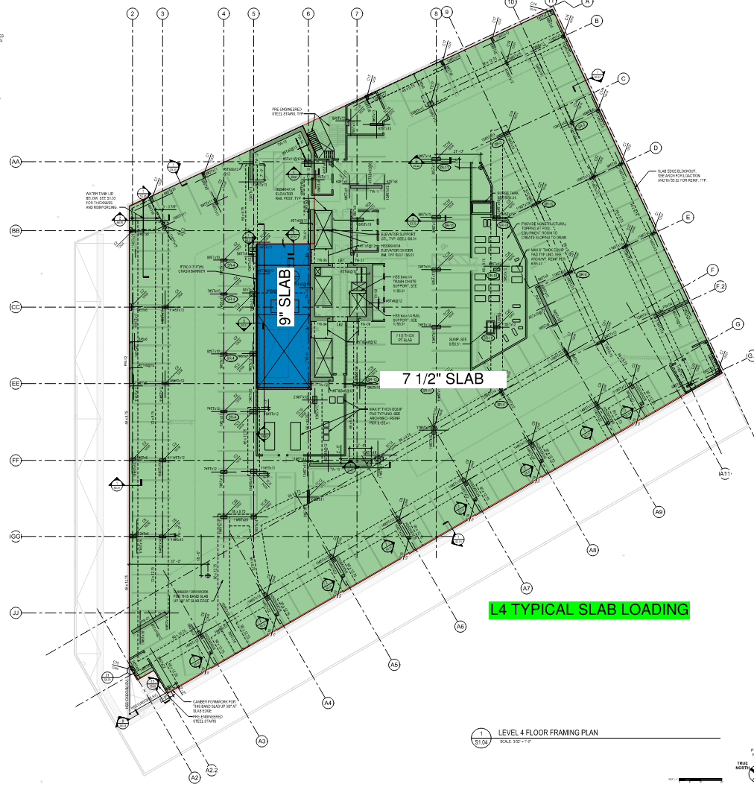

 |  |  |  | L4 7 1/2" Slab Placement Reshore (8'-6 1/2" Shore Height)
 |  |  |  | Placement Load (psf) | Reshore Level | Reshore Level Capacity (psf) | Resultant Floor Load | Reshore Type | Reshore Capacity | SF/Shore | Reshore Pattern | Reshore Pattern 625
 |  |  |  | 124 | L3 | 59 | 65 | 6-6 Ellis Shore | 5400 | 83 | 8x10 | 10x10
 |  |  |  | 65 | L2 | 59 | 6 | 6-8 Ellis Shore | 4635 | 772 | 10x10

 |  |  |  |  | L4 7 1/2" Slab Placement Reshore (8'-6 1/2" Shore Height)

 |  |  |  |  |  | L4 7 1/2" Slab (124 psf)
124PSF

 |  |  |  |  |  | L3 (59 psf capacity)
65 PSF
 |  |  |  |  |  |  | 124PSF-59PSF = 65PSF
 |  |  |  |  | 8'-6 1/2" SHORE HEIGHT |  | 5400#/65PSF
 |  |  |  |  |  |  | 83SF/SHORE
 |  |  |  |  |  |  | 8x10 PATTERN

 |  |  |  |  |  | L2 (59 psf capacity)
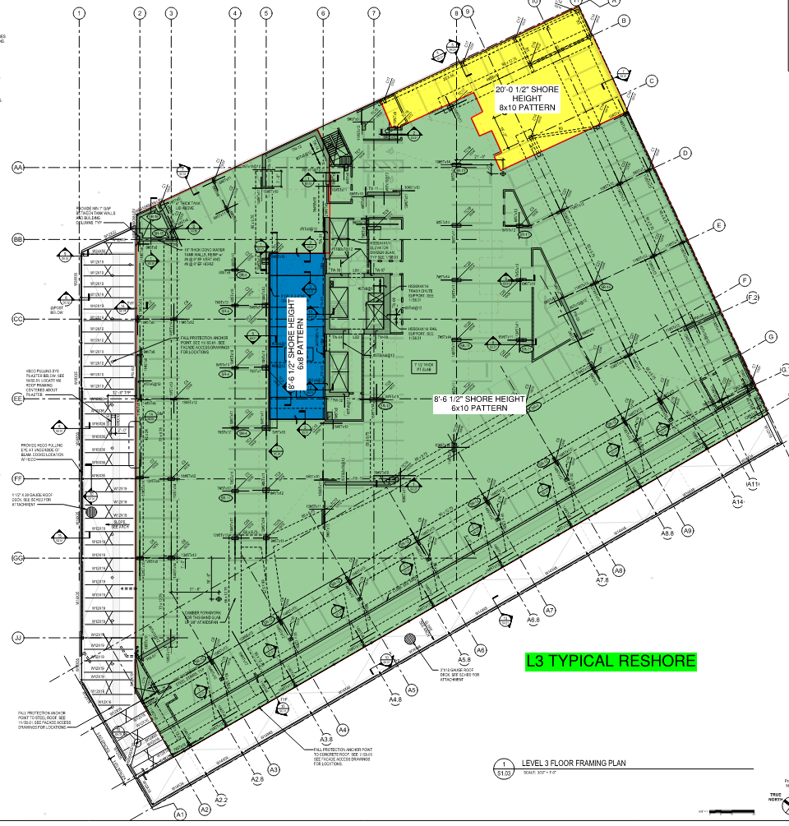
6 PSF
 |  |  |  |  |  |  | 65PSF-59PSF = 6PSF
 |  |  |  |  | 10'-10 1/2" SHORE HEIGHT |  | 4635#/6PSF
 |  |  |  |  |  |  | 772SF/SHORE
 |  |  |  |  |  |  | 10X10 PATTERN

 |  |  |  |  |  | L1 SOG

 |  |  |  | L4 9" Slab Placement Reshore (8'-6 1/2" Shore Height)
 |  |  |  | Placement Load (psf) | Reshore Level | Reshore Level Capacity (psf) | Resultant Floor Load | Reshore Type | Reshore Capacity | SF/Shore | Reshore Pattern
 |  |  |  | 143 | L3 | 59 | 84 | 6-6 Ellis Shore | 5400 | 64 | 8x8
 |  |  |  | 84 | L2 | 59 | 25 | 6-8 Ellis Shore | 4635 | 185 | 10x10

 |  |  |  |  | L4 9" Slab Placement Reshore (8'-6 1/2" Shore Height)

 |  |  |  |  |  | L4 9" Slab (143 psf)
143PSF

 |  |  |  |  |  | L3 (59 psf capacity)
84 PSF
 |  |  |  |  |  |  | 143PSF-59PSF = 84PSF
 |  |  |  |  | 8'-6 1/2" SHORE HEIGHT |  | 5400#/84PSF
 |  |  |  |  |  |  | 64SF/SHORE
 |  |  |  |  |  |  | 8X8 PATTERN

 |  |  |  |  |  | L2 (59 psf capacity)
25 PSF
 |  |  |  |  |  |  | 104PSF-39PSF = 25PSF
 |  |  |  |  | 10'-10 1/2" SHORE HEIGHT |  | 4635#/25PSF
 |  |  |  |  |  |  | 185SF/SHORE
 |  |  |  |  |  |  | 10 PATTERN

 |  |  |  |  |  | L1 SOG

 |  |  |  | L4 7 1/2" Slab Placement Reshore (20'-0 1/2" Shore Height)
 |  |  |  | Placement Load (psf) | Reshore Level | Reshore Level Capacity (psf) | Resultant Floor Load | Reshore Type | Reshore Capacity | SF/Shore | Reshore Pattern
 |  |  |  | 124 | L3 | 59 | 65 | HV 625 Shore | 7300 | 112 | 10x10

 |  |  |  |  | L4 7 1/2" Slab Placement Reshore (8'-6 1/2" Shore Height)

 |  |  |  |  |  | L4 7 1/2" Slab (124 psf)
124PSF

 |  |  |  |  |  | L3 (39 psf capacity)
85 PSF

 |  |  |  |  |  |  | 124PSF-39PSF = 85PSF
 |  |  |  |  | 20'-0 1/2" SHORE HEIGHT |  | 7300#/85PSF
 |  |  |  |  |  |  | 85SF/SHORE
 |  |  |  |  |  |  | 8X10 PATTERN

 |  |  |  |  |  | L1 SOG

 |  |  |  | L4 TYPICAL BEAM LOADS |  |  |  |  | L3 Beam Reshore Spacing
 |  |  |  | Beam Width (in) | Beam Depth (in) | Surrounding Slab Depth (in) | Beam Load (plf)* |  | 6-6 Ellis Spacing (ft)
 |  |  |  | 48 | 9.75 | 7.5 | 113 |  | 47
 |  |  |  | 66 | 9.75 | 7.5 | 155 |  | 34
 |  |  |  | 72 | 9.75 | 7.5 | 169 |  | 31
 |  |  |  | 90 | 9.75 | 7.5 | 211 |  | 25
 |  |  |  | 66 | 12.25 | 7.5 | 327 |  | 16
 |  |  |  | 48 | 12.75 | 7.5 | 263 |  | 20
 |  |  |  | 66 | 12.75 | 7.5 | 361 |  | 14
 |  |  |  | 72 | 12.75 | 7.5 | 394 |  | 13
 |  |  |  | 90 | 12.75 | 7.5 | 493 |  | 10

 |  |  |  | *Beam Load = (Beam Depth - Surrounding Slab Depth) / 12 x 150psf x (Beam Width / 12)

L4 Placement L3 0 Slab Capacity
L3 Overview |  |  | L4 TYPICAL SLAB LOADS
Slab Capacity (psf)* = | 0 | *#7 Per Floor Capacity Chart | Slab Thickness (in) | Construction DL (PSF) | Total Load (psf)*
Shore Height | Shore Type | Shore Capacity (lbs) | 7.5 | 30 | 124
8'-6 1/2" | 6-6 Ellis Shore | 5400 | 9 | 30 | 143
20'-1 1/2" | HV 625 Shore | 7300 | *Total Load =(Slab Thickness / 12 x 150psf) + DL

 |  |  |  | L4 7 1/2" Slab Placement Reshore (8'-6 1/2" Shore Height)
 |  |  |  | Placement Load (psf) | Reshore Level | Reshore Level Capacity (psf) | Resultant Floor Load | Reshore Type | Reshore Capacity | SF/Shore | Reshore Pattern
 |  |  |  | 124 | L3 | 0 | 124 | 6-6 Ellis Shore | 5400 | 43 | 6x6
 |  |  |  | 124 | L2 | 59 | 65 | 6-8 Ellis Shore | 4635 | 71 | 8x8

 |  |  |  |  | L4 7 1/2" Slab Placement Reshore (8'-6 1/2" Shore Height)

 |  |  |  |  |  | L4 7 1/2" Slab (124 psf)
124PSF

 |  |  |  |  |  | L3 (0 psf capacity)
124 PSF
 |  |  |  |  |  |  | 124PSF-0PSF = 124PSF
 |  |  |  |  | 8'-6 1/2" SHORE HEIGHT |  | 5400#/124PSF
 |  |  |  |  |  |  | 43SF/SHORE
 |  |  |  |  |  |  | 6X6 PATTERN

 |  |  |  |  |  | L2 (59 psf capacity)
65 PSF
 |  |  |  |  |  |  | 85PSF-59PSF = 65PSF
 |  |  |  |  | 10'-10 1/2" SHORE HEIGHT |  | 4635#/65PSF
 |  |  |  |  |  |  | 71SF/SHORE
 |  |  |  |  |  |  | 8x8 PATTERN

 |  |  |  |  |  | L1 SOG

L3 Placement
L2 Overview |  |  | L3 TYPICAL SLAB LOADS
Slab Capacity (psf)* = | 59 | *#7 Per Floor Capacity Chart | Slab Thickness (in) | Construction DL (PSF) | Total Load (psf)*
Shore Height | Shore Type | Shore Capacity (lbs) | 7.5 | 30 | 124
10'-8 1/2" | 6-8 Ellis Shore | 4635 | 9 | 30 | 143
10'-10 1/2" | 6-8 Ellis Shore | 4635 | *Total Load =(Slab Thickness / 12 x 150psf) + DL
14'-10 1/2" | HV #5 Shore | 7916
15'-3 1/2" | HV #5 Shore | 7500
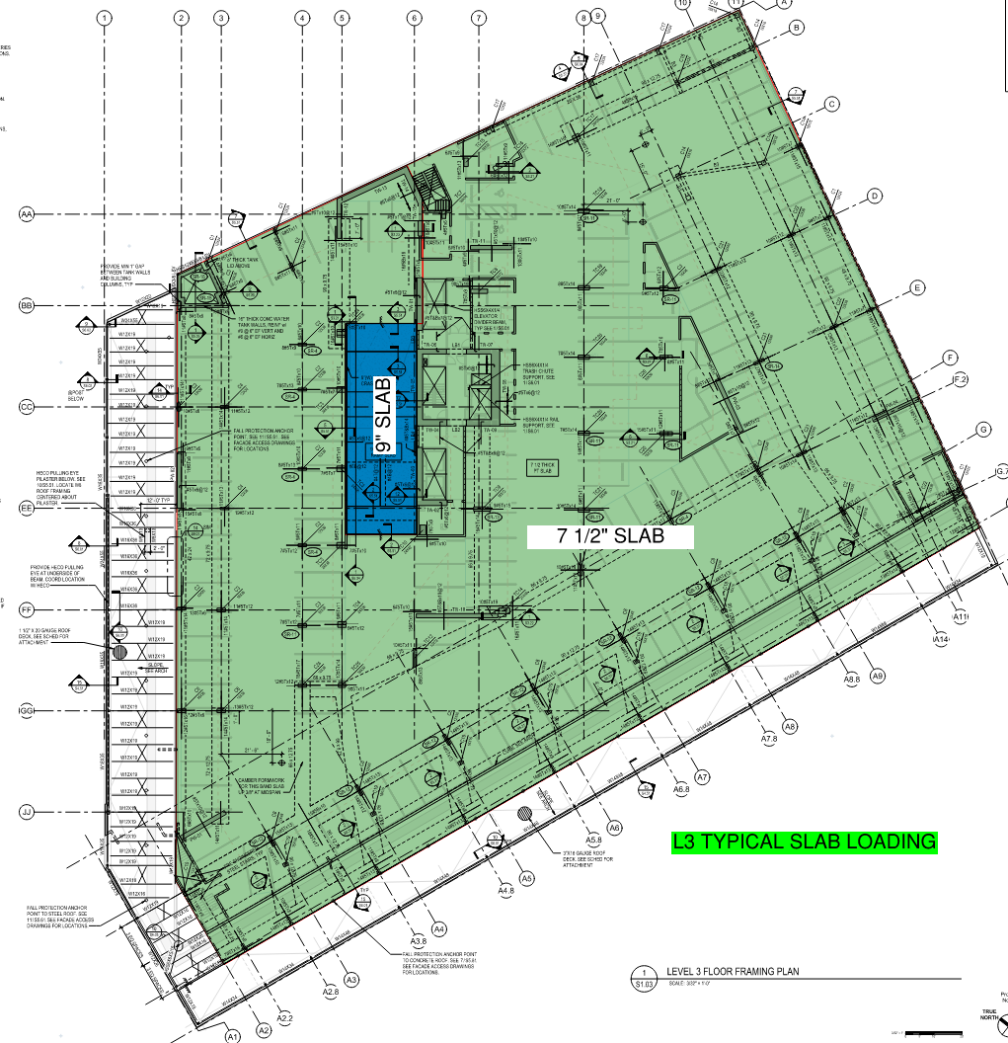
 |  |  |  |  | L3 7 1/2" Slab Placement Reshore (10'-8 1/2" - 10'-10 1/2" Shore Height)
 |  |  |  |  | Placement Load (psf) | Reshore Level | Reshore Level Capacity (psf) | Resultant Floor Load | Reshore Type | Reshore Capacity | SF/Shore | Reshore Pattern
 |  |  |  |  | 124 | L2 | 59 | 65 | 6-8 Ellis Shore | 4635 | 71 | 8x8

 |  |  |  |  |  | L3 7 1/2" Slab Placement Reshore (10'-8 1/2" - 10'-10 1/2" Shore Height)

 |  |  |  |  |  |  | L3 7 1/2" Slab (124 psf)
124PSF

 |  |  |  |  |  |  | L2 (59 psf capacity)
65 PSF
 |  |  |  |  |  |  |  | 124PSF-59PSF = 65PSF
 |  |  |  |  |  | 10'-10 1/2" SHORE HEIGHT |  | 4635#/65PSF
 |  |  |  |  |  |  |  | 71SF/SHORE
 |  |  |  |  |  |  |  | 8X8 PATTERN

 |  |  |  |  |  |  | L1 SOG

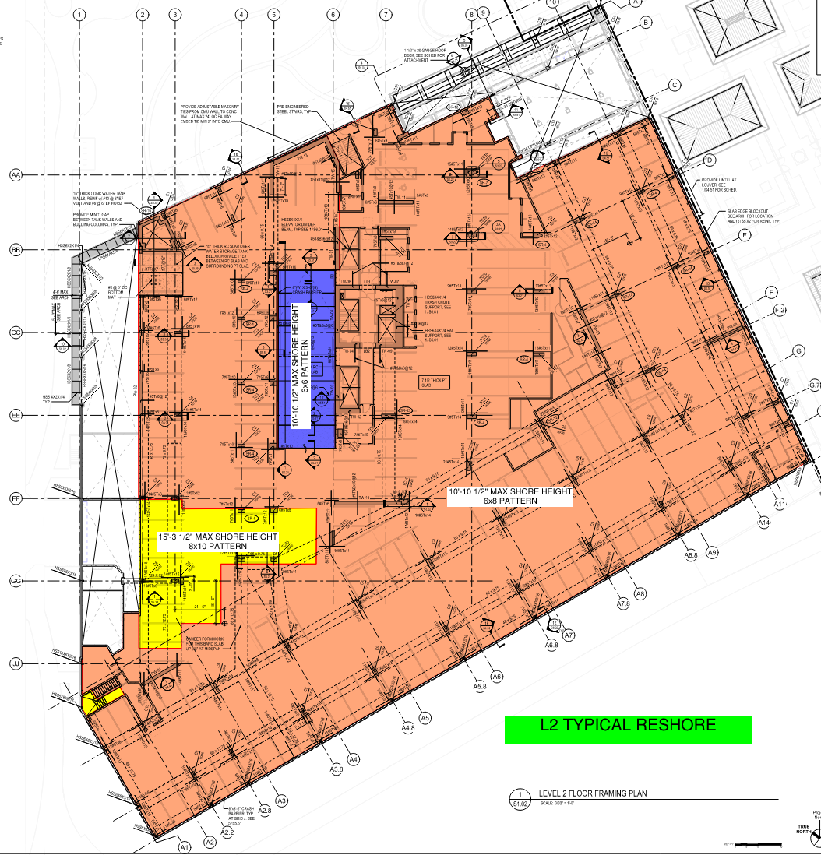

 |  |  |  |  | L3 7 1/2" Slab Placement Reshore (14'-10 1/2"- 15'-3 1/2" Shore Height)
 |  |  |  |  | Placement Load (psf) | Reshore Level | Reshore Level Capacity (psf) | Resultant Floor Load | Reshore Type | Reshore Capacity | SF/Shore | Reshore Pattern
 |  |  |  |  | 124 | L2 | 59 | 65 | HV #5 Shore | 7500 | 115 | 10x10

 |  |  |  |  |  | L3 7 1/2" Slab Placement Reshore (14'-10 1/2"- 15'-3 1/2" Shore Height)

 |  |  |  |  |  |  | L3 7 1/2" Slab (124 psf)
124PSF

 |  |  |  |  |  |  | L2 (59 psf capacity)
65 PSF
 |  |  |  |  |  |  |  | 124PSF-59PSF = 65PSF
 |  |  |  |  |  | 15'-3 1/2" SHORE HEIGHT |  | 7500#/65PSF
 |  |  |  |  |  |  |  | 115SF/SHORE
 |  |  |  |  |  |  |  | 10x10 PATTERN

 |  |  |  |  |  |  | L1 SOG

 |  |  |  |  |  |  |  |  |  | 1

 |  |  |  |  | L3 9" Slab Placement Reshore (8'10" Shore Height)
 |  |  |  |  | Placement Load (psf) | Reshore Level | Reshore Level Capacity (psf) | Resultant Floor Load | Reshore Type | Reshore Capacity | SF/Shore | Reshore Pattern
 |  |  |  |  | 143 | L2 | 59 | 84 | HV #5 Shore | 5400 | 64 | 8x8

 |  |  |  |  |  | L3 9" Slab Placement Reshore (14'-10 1/2"- 15'-3 1/2" Shore Height)

 |  |  |  |  |  |  | L3 9" Slab (143 psf)
143PSF

 |  |  |  |  |  |  | L2 (59 psf capacity)
84 PSF
 |  |  |  |  |  |  |  | 143PSF-59PSF = 84PSF
 |  |  |  |  |  | 10'-10 1/2" SHORE HEIGHT |  | 4635#/84PSF
 |  |  |  |  |  |  |  | 55SF/SHORE
 |  |  |  |  |  |  |  | 6x8 PATTERN

 |  |  |  |  |  |  | L1 SOG

 |  |  |  |  | L3 TYPICAL BEAM LOADS |  |  |  |  | L2 Beam Reshore Spacing
 |  |  |  |  | Beam Width (in) | Beam Depth (in) | Surrounding Slab Depth (in) | Beam Load (plf)* |  | 6-8 Ellis Spacing (ft) | HV #5 Shore Spacing (ft)
 |  |  |  |  | 48 | 9.75 | 7.5 | 113 |  | 41 | 66
 |  |  |  |  | 66 | 9.75 | 7.5 | 155 |  | 29 | 48
 |  |  |  |  | 72 | 9.75 | 7.5 | 169 |  | 27 | 44
 |  |  |  |  | 90 | 9.75 | 7.5 | 211 |  | 21 | 35
 |  |  |  |  | 66 | 12.75 | 7.5 | 361 |  | 12 | 20
 |  |  |  |  | 72 | 12.75 | 7.5 | 394 |  | 11 | 19
 |  |  |  |  | 90 | 12.75 | 7.5 | 493 |  | 9 | 15
 |  |  |  |  | 42 | 24 | 7.5 | 722 |  | 6 | 10
 |  |  |  |  | 12 | 42 | 7.5 | 432 |  | 10 | 17
 |  |  |  |  | 48 | 16.75 | 7.5 | 463 |  | 10 | 16
 |  |  |  |  | 20 | 56 | 7.5 | 1011 |  | 4 | 7
 |  |  |  |  | *Beam Load = (Beam Depth - Surrounding Slab Depth) / 12 x 150psf x (Beam Width / 12)

L3 Placement L2 0 Slab Capacity
L2 Overview |  |  | L3 TYPICAL SLAB LOADS
Slab Capacity (psf)* = | 0 | *#7 Per Floor Capacity Chart | Slab Thickness (in) | Construction DL (PSF) | Total Load (psf)*
Shore Height | Shore Type | Shore Capacity (lbs) | 7.5 | 30 | 124
10'-8 1/2" | 6-8 Ellis Shore | 4635 | 9 | 30 | 143
10'-10 1/2" | 6-8 Ellis Shore | 4635 | *Total Load =(Slab Thickness / 12 x 150psf) + DL
14'-10 1/2" | HV #5 Shore | 7916
15'-3 1/2" | HV #5 Shore | 7500
 |  |  |  |  | L3 7 1/2" Slab Placement Reshore (10'-8 1/2" - 10'-10 1/2" Shore Height)
 |  |  |  |  | Placement Load (psf) | Reshore Level | Reshore Level Capacity (psf) | Resultant Floor Load | Reshore Type | Reshore Capacity | SF/Shore | Reshore Pattern
 |  |  |  |  | 124 | L2 | 0 | 124 | 6-8 Ellis Shore | 4635 | 37 | 6x6

 |  |  |  |  |  | L3 7 1/2" Slab Placement Reshore (10'-8 1/2" - 10'-10 1/2" Shore Height)

 |  |  |  |  |  |  | L3 7 1/2" Slab (124 psf)
124PSF

 |  |  |  |  |  |  | L2 (0 psf capacity)
124 PSF
 |  |  |  |  |  |  |  | 124PSF-39PSF = 124PSF
 |  |  |  |  |  | 10'-10 1/2" SHORE HEIGHT |  | 4635#/124PSF
 |  |  |  |  |  |  |  | 37SF/SHORE
 |  |  |  |  |  |  |  | 6X6 PATTERN

 |  |  |  |  |  |  | L1 SOG

